Chapter 9
Ross, Westerfield, Jaffe, and Jordan's Spreadsheet Master
Corporate Finance, 11th edition
by Brad Jordan and Joe Smolira
Version 11.0

Chapter 9

In these spreadsheets, you will learn how to use the following Excel functions:

ROUND
Concatenation
Web queries
Stock charts

The following conventions are used in these spreadsheets:

1) Given data in blue
2) Calculations in red

NOTE: Some functions used in these spreadsheets may require that
the "Analysis ToolPak" or "Solver Add-In" be installed in Excel.
To install these, click on the File tab
then "Excel Options," "Add-Ins" and select
"Go." Check "Analysis ToolPak" and
"Solver Add-In," then click "OK."

Section 9.1
 | Chapter 9 - Section 1
 | The Present Value of Common Stocks

Unlike bond pricing, Excel does not have built-in functions for stock pricing, so we need to create our own equations. We will begin with constant growth in dividends.

Example 9.2 Stock Valuation
Suppose an investor is considering the purchase of a share of the Utah Mining Company. The dividend information and required return are:

 | Dividend next year: |  | $3.00
 | Dividend growth rate: |  | 10.00%
 | Required return: |  | 15.00%

So, the stock price today with the constant dividend growth model is:

 | Stock price today: |  | $60.00

The constant dividend growth equation is just the present value of a growing perpetuity, but we could caution that the equation is very sensitive to the growth rate estimate. Using the same information from above, we can calculate the stock price for various growth rates.

 | g | Stock price
 | 0.00% | $20.00
 | 1.00% | $21.43
 | 2.00% | $23.08
 | 3.00% | $25.00
 | 4.00% | $27.27
 | 5.00% | $30.00
 | 6.00% | $33.33
 | 7.00% | $37.50
 | 8.00% | $42.86
 | 9.00% | $50.00

Graphing the stock price versus the growth rate, we can see the impact of the growth rate:

Stock Price for Various Dividend Growth Rates

Differential Growth
With differential dividend growth, it is simply a matter of inputting the correct equations in Excel. Because the equation is so involved, we will calculate the stock price at time t, then use this stock price in the second part of the equation.

Example 9.3: Differential Growth
Consider Elixir Drug Company, which is enjoying rapid growth from the introduction of its new back-rub ointment. You want to know the current value of the stock price and have gathered the following information:

 | Initial growth rate: |  | 15.0%
 | Years of initial growth rate: |  | 5
 | Second growth rate (perpetual): |  | 10.00%
 | Required return: |  | 15.00%
 | Dividend next year: |  | $1.15

First, we need to calculate the present value of the first 5 dividends, which will be:

 |  | Dividend growth | Dividend | PV of dividend
 | 1 | 15.00% | $1.15 | $1.00
 | 2 | 15.00% | 1.32 | $1.00
 | 3 | 15.00% | 1.52 | $1.00
 | 4 | 15.00% | 1.75 | $1.00
 | 5 | 15.00% | 2.01 | $1.00
 | Present value of first 5 dividends: |  |  | $5.00

We have the present value of the first 5 dividends. Now, we need to calculate the present value of the future stock price. The price of the stock in year 5 will be:

 | Stock price in year 5: |  |  | $44.25

And the present value of this future stock price is:

 | Present value of future stock price: |  |  | $22.00

The current stock price is simply the present value of the known dividends, plus the present value of the future stock price, or:

 | Current stock price: |  |  | $27.00

Three-Stage Growth
Suppose we have a stock that that has dividend growth in three (or even more) stages? We can set up a more general model in Excel to handle more growth rate changes. It is important to remember that the price of a share of stock is nothing more than the present value of the future dividends. Suppose we have a stock with the following:

 | Current dividend: |  | $1.50
 | Required return: |  | 11%
 | Perpetual growth rate: |  | 6%

 |  | Dividend growth | Dividend | PV of dividend
 | 1 | 28.00% | $1.92 | $1.73
 | 2 | 28.00% | 2.46 | 1.99
 | 3 | 28.00% | 3.15 | 2.30
 | 4 | 17.00% | 4.03 | 2.65
 | 5 | 17.00% | 4.71 | 2.80
 | 6 | 17.00% | 5.51 | 2.95
 | 7 | 17.00% | 6.45 | 3.11
 | 8 | 17.00% | 7.55 | 3.27
 | 9 | 17.00% | 8.83 | 3.45
 | 10 | 17.00% | 10.33 | 3.64
 | 11 | 17.00% | 12.08 | 3.83
 | 12 | 6.00% | 14.14 | 4.04
 | 13 | 6.00% | 14.99 | 3.86
 | 14 | 6.00% | 15.89 | 3.69
 | 15 | 6.00% | 16.84 | 3.52
 | Present value of first 15 dividends: |  |  | $46.83

We have the present value of the first 15 dividends. Now, we need to calculate the present value of the future stock price. The price of the stock in year 15 will be:

 | Stock price in year 15: |  |  | $357.00

And the present value of this future stock price is:

 | Present value of future stock price: |  |  | $74.62

The current stock price is simply the present value of the known dividends, plus the present value of the future stock price, or:

 | Current stock price: |  |  | $121.44

You may wonder why we chose to calculate the dividends for the first 15 years, then use the dividend growth model. The reason is that it would be somewhat unusual to project supernormal growth for more than 15 years. In other words, this spreadsheet should accommodate most stock pricing models. If the supernormal growth rate did extend for more than 15 years, we could easily alter the spreadsheet.

Section 9.5
 | Chapter 9 - Section 5
 | The Stock Markets

Whenever a stock market is open, stock prices will most likely be changing. While we have used Excel in a way that we can change the inputs, Excel will also go directly to the internet and update data you select from a website. We wanted to input a stock quote for Best Buy (BBY). The stock quote from finance.yahoo.com is:

 | Prev Close: | 37.25
 | Open: | 37.1
 | Bid: | 36.95 x 6500
 | Ask: | 36.96 x 3500
 | 1y Target Est: | 41.45
 | Beta: | 2.22583
 | Earnings Date: | Nov 18 - Nov 23 (Est.)

 | Day's Range: | 36.62 - 37.15
 | 52wk Range: | 28.32 - 42.00
 | Volume: | 2,890,497
 | Avg Vol (3m): | 4,614,320
 | Market Cap: | 12.73B
 | P/E (ttm): | 14.27
 | EPS (ttm): | 2.59
 | Div & Yield: | 0.92 (2.44%)

RWJ Excel Tip
Excel has a built-in Web Query that will grab data from a website. The really useful thing about the Web Query is that you can automatically update the data while you are in Excel. To set up a Web Query, go to the Data menu, select "From Web." This will bring up a New Web Query window that looks something like this:
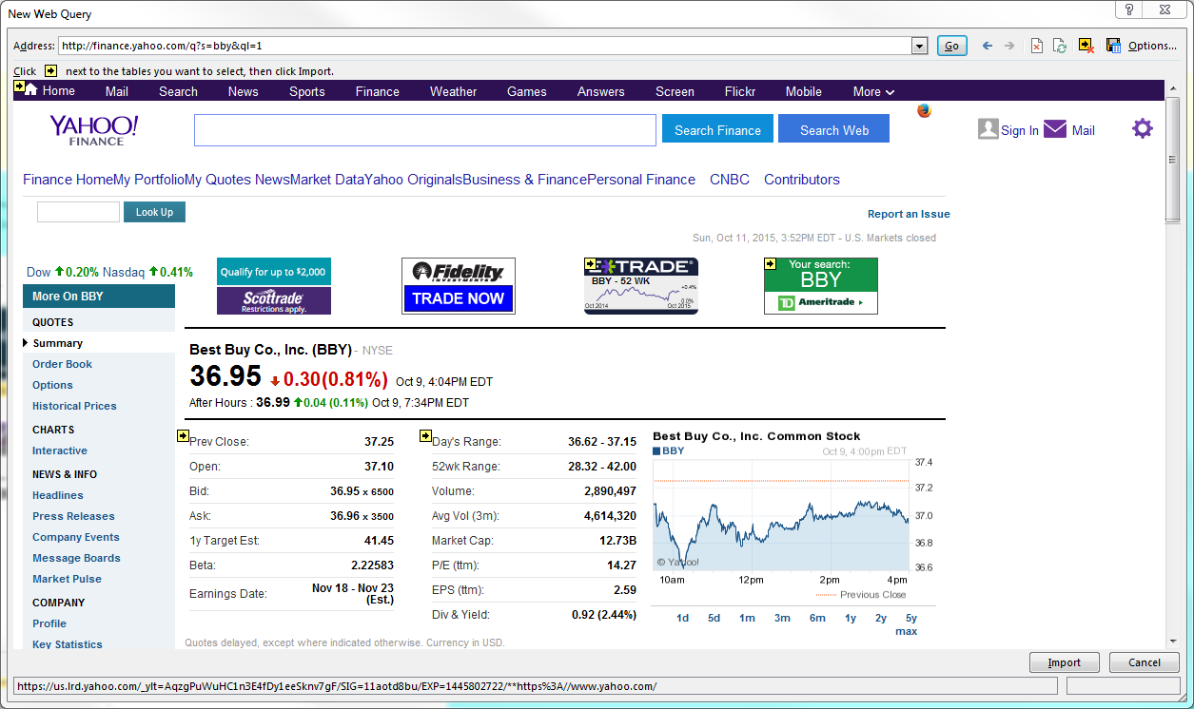

The web browser used in the Web Query is not as sophisticated as most other web browsers. For example, you cannot save a website as a "Favorite." Anything brought up in the New Web Query window with an arrow like this is a data table that can be imported into Excel. Simply click on as many data tables as you want to download, which will change the arrow to a check mark in a green box, then click on the "Import" box on the bottom right of the New Web Query window. This will automatically import the data into Excel, where you can use the data in calculations. When you are in the spreadsheet and want to update the data, go to the Data tab, and select "Refresh All." Excel will automatically go to the website and update all of the numbers in the data table.

NOTE: When you bring a web query into an Excel spreadsheet, if the format of the web page changes, the web query will no longer work. When you attempt to refresh the web query we have done here, if Yahoo! Finance changes the format of this page, you will not be able to refresh the data. In this case, you can construct a new web query by following the instructions above.

Suppose you own shares of Best Buy stock and want to know the value of your investment at the current stock price. Notice that when you refresh the data, Excel automatically updates the following calculation.

 | Shares owned: | 175
 | Total value of stock: | $6,518.75

A group of analysts called technical analysts examine historic stock prices in an attempt to find patterns in the stock price. If patterns are discovered, technical analysts argue that it is possible to trade on these stock price patterns and make a profit. Whether technical analysis is actually profitable we will leave to a later time. For now, we will show one of the stock price charts that are built into Excel's graphing functions. To the right of this spreadsheet you will find price information for Apple stock for September 2015.
 |  |  | Date | Open | High | Low | Close | Volume | Adj Close
Below you will see an open-high-low-close, or candlestick, chart for Apple during September 2015. |  |  | 2015-09-01 | 110.15 | 111.88 | 107.36 | 107.72 | 76845900.00 | 107.72
Candlestick Chart for Apple - September 20015
 |  |  | 2015-09-02 | 110.23 | 112.34 | 109.13 | 112.34 | 61888800.00 | 112.34
 |  |  | 2015-09-03 | 112.49 | 112.78 | 110.04 | 110.37 | 52906400.00 | 110.37
 |  |  | 2015-09-04 | 108.97 | 110.45 | 108.51 | 109.27 | 49963900.00 | 109.27
 |  |  | 2015-09-08 | 111.75 | 112.56 | 110.32 | 112.31 | 54114200.00 | 112.31
 |  |  | 2015-09-09 | 113.76 | 114.02 | 109.77 | 110.15 | 84344400.00 | 110.15
 |  |  | 2015-09-10 | 110.27 | 113.28 | 109.90 | 112.57 | 62675200.00 | 112.57
 |  |  | 2015-09-11 | 111.79 | 114.21 | 111.76 | 114.21 | 49441800.00 | 114.21
 |  |  | 2015-09-14 | 116.58 | 116.89 | 114.86 | 115.31 | 58201900.00 | 115.31
 |  |  | 2015-09-15 | 115.93 | 116.53 | 114.42 | 116.28 | 43004100.00 | 116.28
 |  |  | 2015-09-16 | 116.25 | 116.54 | 115.44 | 116.41 | 36910000.00 | 116.41
 |  |  | 2015-09-17 | 115.66 | 116.49 | 113.72 | 113.92 | 63462700.00 | 113.92
 |  |  | 2015-09-18 | 112.21 | 114.30 | 111.87 | 113.45 | 73419000.00 | 113.45
 |  |  | 2015-09-21 | 113.67 | 115.37 | 113.66 | 115.21 | 46554300.00 | 115.21
 |  |  | 2015-09-22 | 113.38 | 114.18 | 112.52 | 113.40 | 49809000.00 | 113.40
 |  |  | 2015-09-23 | 113.63 | 114.72 | 113.30 | 114.32 | 35645700.00 | 114.32
 |  |  | 2015-09-24 | 113.25 | 115.50 | 112.37 | 115.00 | 49810600.00 | 115.00
 |  |  | 2015-09-25 | 116.44 | 116.69 | 114.02 | 114.71 | 55842200.00 | 114.71
 |  |  | 2015-09-28 | 113.85 | 114.57 | 112.44 | 112.44 | 51723900.00 | 112.44
 |  |  | 2015-09-29 | 112.83 | 113.51 | 107.86 | 109.06 | 73135900.00 | 109.06
 |  |  | 2015-09-30 | 110.17 | 111.54 | 108.73 | 110.30 | 66105000.00 | 110.30

RWJ Excel Tip
To graph the candlestick chart, we selected the data for the opening price, high price of the day, low price of the day, and closing price. Excel requires that these values be in this order in the table. We then went to Insert, Other Charts, and selected the open-high-low-close chart. We also made a couple of changes to the original chart. We selected the Y axis and changed the range for the stock price. Next, in the default setting, Excel graphs down days as a black candlestick and up days as a white candlestick. We right clicked on a down day, selected Format down bars, and changed the color to red. We followed the same procedure for the up days and made the up candlesticks green.

Candlestick charts show you how the stock performed on a particular day and over the entire period. The high and low price of the day are shown as the top and bottom of the vertical line, respectively. The open and close are shown as the horizontal lines for each day. For example, you can see the range of prices on Spetember 3rd. At the end of the day, Apple stock closed up for the day, so the top vertical line is the closing price of the day, while the bottom vertical line is the opening price of the day. Since Apple stock closed down on September 9th, the top horizontal line is the opening price of the day and the bottom horizontal line is the closing price of the day. Excel has several other default stock price charts. We'll leave these for you to explore.

Solution
 | Master It! Solution

a. | The dividend growth rates, dividends, and stock price are:

 | Year | 1 | 2 | 3 | 4 | 5 | 6 | 7 | 8 | 9 | 10 | 11
 | Dividend growth: | 9.50% | 9.50% | 9.50% | 9.50% | 9.50% | 8.75% | 8.00% | 7.25% | 6.50% | 5.75% | 5.00%
 | Dividend: | $3.18 | $3.48 | $3.81 | $4.17 | $4.57 | $4.96 | $5.36 | $5.75 | $6.12 | $6.48 | $6.80

 | Price at Year 11: | $119.01
 | Price today: | $66.25

b. | To graph the stock price for different growth rates, we need to calculate the price for various growth rates. Using a one-way data table, we get the following:

 | Growth rate | Stock price
 | 0% | $44.11
 | 1% | $46.78
 | 2% | $50.03
 | 3% | $54.09
 | 4% | $59.30
 | 5% | $66.25
 | 6% | $75.96
 | 7% | $90.52
 | 8% | $114.77
 | 9% | $163.24
 | 10% | $308.61

c. | The earnings and price in year 11 will be:

 | Year 11 PE ratio: | 15.00
 | Year 11 earnings: | $22.67
 | Year 11 price: | $340.02

 | So, the stock price today with this valuation method is:

 | Price today: | $136.37

d. | Using a one-way data table, the stock price today at different PE ratios is:

 | PE ratio | Stock price
 | 10.00 | $100.41
 | 11.00 | $107.60
 | 12.00 | $114.79
 | 13.00 | $121.99
 | 14.00 | $129.18
 | 15.00 | $136.37
 | 16.00 | $143.56
 | 17.00 | $150.76
 | 18.00 | $157.95
 | 19.00 | $165.14
 | 20.00 | $172.33

